1. Section A
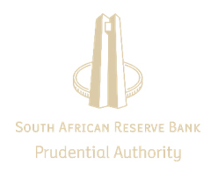 For attention: Subsidiary/branch of a South African bank in a foreign jurisdiction The purpose of this return is to: • assist the Prudential Authority (PA) within the South African Reserve Bank to enhance its comprehension of the identified and assessed money laundering, terrorist financing, proliferation financing (ML/TF/PF) and related activities risks pertaining to foreign banking subsidiaries against the background of the overall group risk profile; • assist the PA to understand the ML/TF/PF and related activities risk profiles of banks at an institutional level; • receive information/data that may contribute to the PA's assessment of risk in the banking sector at a group level; • provide insight and enhanced understanding of the ML/TF/PF risk present within the subsidiary /branch; and • assist the PA in its consolidated supervision of banking groups as required in terms of the Financial Action Task Force (FATF) Recommendations 1 and 26. All cross border banking subsidiaries/branches belonging to banking groups registered in South Africa must complete the return on a quarterly basis, of which the first return must be submitted on 30 June 2021. The South African parent must submit all completed returns to the PA at the end of each quarter. The completed returns should be sent to AMLCFTreturn@resbank.co.za Dates for submission: Quarter 1: January, February, March Quarter 2: April, May, June Quarter 3:July, August, September Quarter 4: October, November, December All information received will be treated as confidential. Please note that requests for information pertaining to a monetary value must be provided in Rands. Enquiries regarding the completion of this return should be submitted to AMLCFTreturn@resbank.co.za The Prudential Authority compiled the survey in its efforts to gather data from financial institutions (i.e. banking groups and subsidiaries) in order to establish and identify the institutional money laundering and terrorist financing risk (ML/TF

